Job Details

Job Number & Name: | 35084 LB Bexley
Site Number/Name: | Site 27 - Manor Road
Client: | Waterman
Date: | 2023-03-30

Site Plan
Advanced Transport Research |  |  | Job Number & Name: | 35084 LB Bexley
Site 27 - Manor Road |  |  | Date: | 2023-03-30

Job Type: | Pedestrian & Vehicle Count
Co-ordinates: | 51°27'16.32"N, 0°10'25.11"E | Postcode: | DA1 4EP |  | Times: | 0730-0930 1430-1630

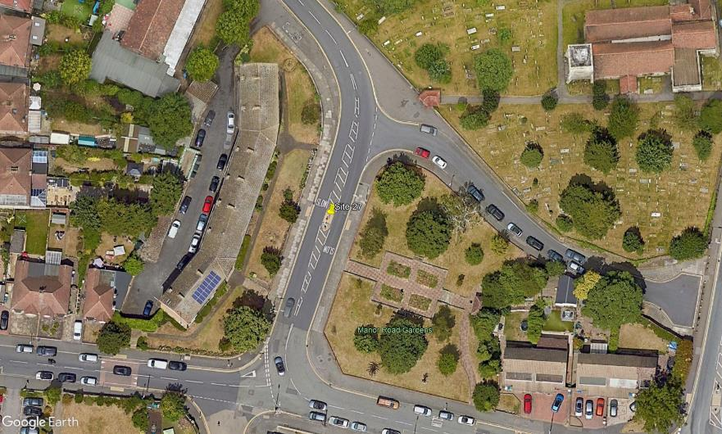
N

1

Manor Road

B

A

C

D

2
3
Old Road

